Footing
T
L
W
Clear Cover
W
L
# of Bars per Side
 |  | LEGEND
 |  |  | input only on gray cells only
 |  |  | drop down values, select accordingly

 | Fill this up first | Steel Density | 7850 | kg/m3
 |  | Concrete Cover | 75 | mm
 |  | Bar Length | 6 | m
 |  | Weight of tie wire box | 25 | kg
 |  | Tie wire total length | 1500 | m
 |  | Length of tie wire used | 0.25 | m

 | Allowance for : | Main Bars | 10%
 |  | Volume | 30%

Footing Calculation
# of Footing | Footing Mark | Dimension |  |  |  | Along Length |  |  |  | Along Width |  |  |  | No. of tie wire | Volume (m3) | Formworks |  | Weight (kg)
 |  | Depth | Length | Width | Thickness | Bar Diameter | Top Bars (pcs) | Bot Bars (pcs) | No. of Bars Along Length | Bar Diameter | Top Bars (pcs) | Bot Bars (pcs) | No. of Bars Along Width |  |  | Perimeter | Area (m2)
21 | F1 | 1.5 | 1.2 | 1.2 | 0.3 | 16 | 0 | 6 | 26 | 16 | 0 | 6 | 26 | 756 | 9.072 | 4.8 | 30.24 | 492.44

 |  | Item | Quantity | Unit
 | Footing | 16mm diameter bar added 10%allowance | 58 | lengths

 | General | Total Weight (kg) | 549.26
 |  | Volume (m3) Added 30% | 11.79
 |  | Area for Formworks (m2) | 30.24
 |  | Excavation Work (m3) | 45.36
 |  | Backfilling Works (m3) | 32.73

 | Class | Mixture | Bag Weight | Cement (Bag) | Sand (cu.m) | Gravel (cu.m) | Water (L)
 | A | 1 ; 2 ; 4 | 40 kg/bag | 107 | 5.90 | 11.79 | 2123.00

Column | Pedestal
 | LEGEND
 |  | input only on gray cells
 |  | drop down values, select accordingly

Fill this up first | Steel Density | 7850 | kg/m3
 | Concrete Cover | 40 | mm |  |  | 1 Set |  |  |  |  | 2 Set
 | Bar Length | 6 | m
B
H
B
H
 | Weight of tie wire box | 25 | kg
 | Tie wire total length | 1500 | m
 | Length of tie wire used | 0.25 | m
 | kicker | L Hook | 12 | db
 | Splice Factor | 40 | db

Allowance for : | Main Bars | 10%
 | Volume | 30%
End Hook/ L hook
End Hook/ L hook
Elevation
Fill this up first | Depth of Footing | 1.5 | m
 | 1st Floor Height | 0.15 | m
 | 2nd Floor Height | 0 | m

Ties
Set of Ties | 1
Fill this up first | no. of ties | spaced @
 | 2 | 0.05
 | 4 | 0.075
 | 5 | 0.1
 | rest | 0.15

Column Calculation
Column Mark | # of Column (1st) | # of Column (2nd) | Dimension |  | Main Bar |  |  |  |  |  | Column Ties |  |  |  | No. of tie wire | Volume (m3) | Formworks
 |  |  | Width (m) | Height (m) | Bar Diameter | Column split at footing 12 db kicker | L Hook | Splice 40db | No. of Bars (pcs) | Bars Required | Weight (kg) | Bar Diameter | Tie Perimeter | No. of Ties | Weight (kg) |  |  | Perimeter | Area (m2)
C1 | 11 | 0 | 0.35 | 0.35 | 16 | 0.192 | 0 | 8 | 30 | 284.10 | 10 | 1.08 | 352 | 1302.13 | 2816 | 2.22 | 1.4 | 25.41
P1 | 9 | 0 | 0.3 | 0.3 | 16 | 0.192 | 0 | 8 | 24 | 227.28 | 10 | 0.88 | 288 | 1065.38 | 2304 | 1.34 | 1.2 | 17.82

 |  | Item | Quantity | Unit
 | Column | 16mm diameter bar | 60 | lengths
 | Column Ties | 10mm diameter bar | 118 | lengths

 | General | Total Weight (kg) | Mainbars | 568.20
 |  |  | Ties | 436.51
 |  | Volume (m3) Added 30% |  | 4.63
 |  | Area for formworks (m2) |  | 43.23

 | Class | Mixture | Bag Weight | Cement (Bag) | Sand (cu.m) | Gravel (cu.m) | Water (L)
 | A | 1 ; 2 ; 4 | 40 kg/bag | 42 | 2.31 | 4.63 | 834.00

excess | no of cuts per 1 bar | top of footing to 1/2 height of 2nd floor | total height
0 | #DIV/0! | 1.842 | 1.842

Steel Items
 | No. of Base Plate (pcs) | 20mm x 500mm Anchor Bolts w/knot with washer (pcs) | 12mm Thick Triangular Plate Welded Support (pcs) | total no. 6'' B.I. Pipe Post (pcs) | 2'' x 4'' x 1.5mm C-purlins (pcs) | 10mm sagrod (pcs) | 1L | 50x50x6mm (lengths) | 1L | 40x40x5mm (lengths) | 25mm thick non shrink grout (25kg/bags) | Tie Wire (25kg)/Box | Polycarbonate Corrugated Roof Sheet (0.9m/l.m) | Ventilation Louvers (l.m) | Corrugated Metal Sheet on Steel Frame (pcs) | Hand Rails (l.m)
Base Plate | 21 | 84 | 84 | 12 | 41 | 10 | 56 | 29 | 5 | 5 | 152 | 31 | 3 | 9
 |  |  |  | to recheck
Allowance | 10%

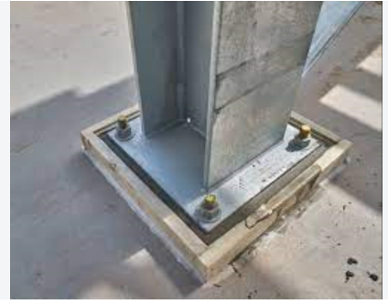

 |  |  |  | Volume | 0.0539375 | m3
 |  |  |  | Unit Weight | 2000 | kg/m3
 |  |  |  | Weight needed | 107.875 | kg

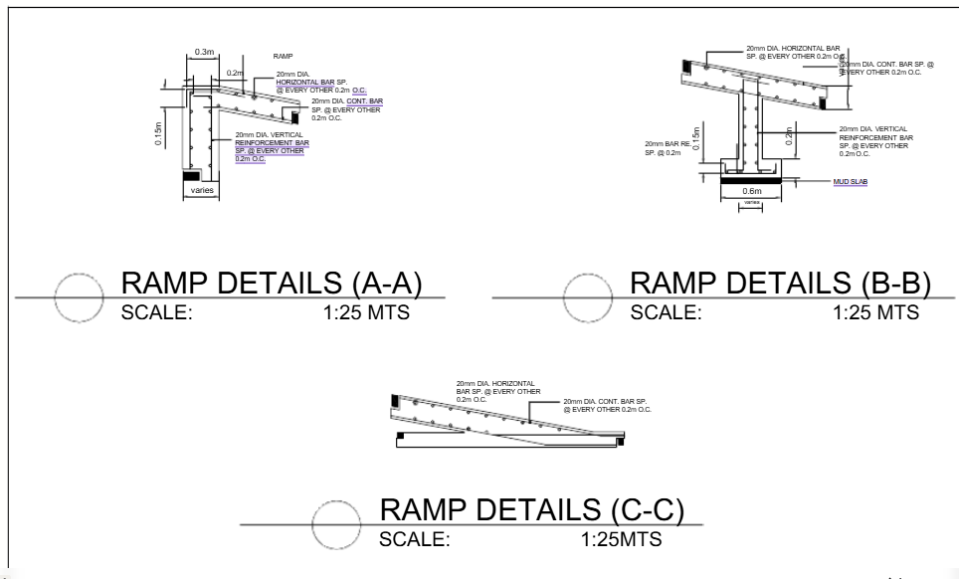
 |  |  |  |  |  |  |  |  |  |  |  | Allowance for : | Main Bars | 10%
 |  |  |  |  |  |  |  |  |  |  |  |  | Volume | 30%

 |  |  |  |  |  |  |  |  |  |  | Ramp

 |  |  |  |  |  |  |  |  |  |  | landing | Thickness | 0.3 |  | running slope | Area | 0.5085
 |  |  |  |  |  |  |  |  |  |  |  | Length | 5.29 |  |  | Volume | 1.044459
 |  |  |  |  |  |  |  |  |  |  |  | Width | 1.58
 |  |  |  |  |  |  |  |  |  |  |  | Volume | 3.26

 |  |  |  |  |  |  |  |  |  |  |  | Formworks
 |  |  |  |  |  |  |  |  |  |  |  | Area | 5.139

 |  |  |  |  |  |  |  |  |  |  |  | Steel
 |  |  |  |  |  |  |  |  |  |  |  | Bar Diameter | 10
 |  |  |  |  |  |  |  |  |  |  |  | Spacing | 0.3
 |  |  |  |  |  |  |  |  |  |  |  | Bar Length | 6

 |  |  |  |  |  |  |  |  |  |  |  | Number of Bars Spaced @300mm | Total Length | No. of Bars Needed
 |  |  |  |  |  |  |  |  |  |  | Along width | 6 | 31.74 | 6
 |  |  |  |  |  |  |  |  |  |  | Along Length | 18 | 28.44 | 6
 |  |  |  |  |  |  |  |  |  |  |  |  |  | 12

 |  |  |  |  |  |  |  |  |  |  |  |  | Weight (kg) | 44.39

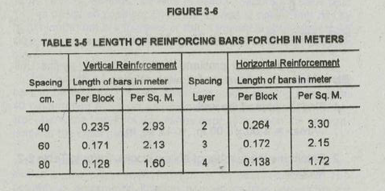

 |  |  |  |  |  |  |  |  |  | Masonry

 |  |  |  |  |  |  |  |  |  | Steel
 |  |  |  |  |  |  |  |  |  | Cr 2 Wall Area | 14.9
 |  |  |  |  |  |  |  |  |  | Bar Diameter | 10
 |  |  |  |  |  |  |  |  |  | Bar Length | 6

 |  |  |  |  |  |  |  |  |  |  | Length of Bars (m) | Bars Needed | Weight (kg)
 |  |  |  |  |  |  |  |  |  | Vertical (m) | 31.737 | 6 | 22.195
 |  |  |  |  |  |  |  |  |  | Horizontal (m) | 49.17 | 10 | 36.992

Tile works
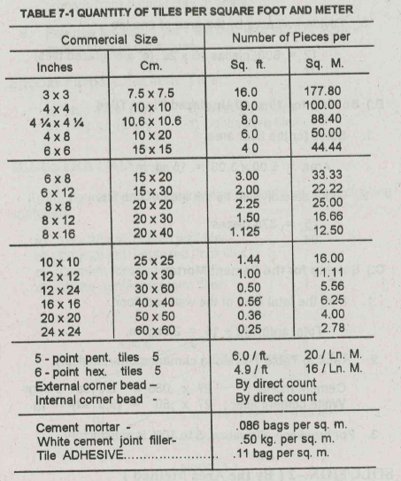

Area | 19.2
Allowance | 10%

 | bags per sq.m | Bags needed
Cement Mortar | 0.86 | 19
White cement joint filler | 0.5 | 11
Tile adhesive | 0.11 | 3

